Sheet1
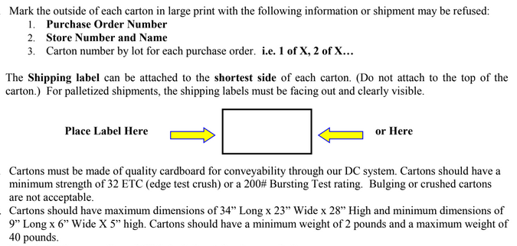
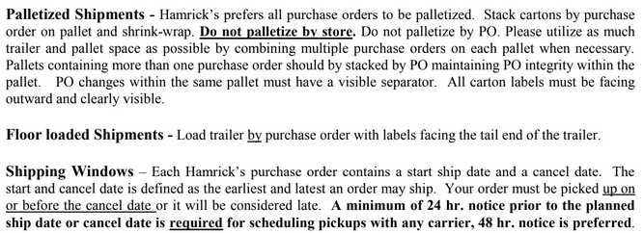
HAMRICKS

PICK TICKET CHECK LIST |  |  |  |  | PO# 261669
 |  |  |  |  | PT# 1752097 - 1752102
TICKETING

ROUTING |  |  |  | SHIP VIA: ROUTING

CARTON MARKING

PO # MUST BE ON ALL BOXES
STORE# and STORE NAME
STYLE
COLOR
QTY

CUSTOMER STYLE | OUR STYLE | COLOR | PT # | QTY
EHH342-42 | EHH244-42 | 037 | 1752097 | 6
EHH398-42 | EHH244-42 | 037 | 1752098 | 6
EHH407-42 | EHH244-42 | 037 | 1752099 | 6
EHH342-42 | EHH244-42 | 037 | 1752100 | 6
EHH398-42 | EHH244-42 | 037 | 1752101 | 6
EHH407-42 | EHH244-42 | 037 | 1752102 | 6
EHH342-42 | EHH354-42 | 593 | 1752097 | 6
EHH398-42 | EHH354-42 | 593 | 1752098 | 6
EHH407-42 | EHH354-42 | 593 | 1752099 | 6
EHH342-42 | EHH354-42 | 593 | 1752100 | 6
EHH398-42 | EHH354-42 | 593 | 1752101 | 6
EHH407-42 | EHH354-42 | 593 | 1752102 | 6
EHH342-42 | EHH393-42 | PKC | 1752097 | 6
EHH398-42 | EHH393-42 | PKC | 1752098 | 6
EHH407-42 | EHH393-42 | PKC | 1752099 | 6
EHH342-42 | EHH393-42 | PKC | 1752100 | 6
EHH398-42 | EHH393-42 | PKC | 1752101 | 6
EHH407-42 | EHH393-42 | PKC | 1752102 | 6
WMH3274E-42
WMH12101K-42
WMH3274E-42
WMH12101K-42
WMH3274E-42
WMH12101K-42
WMH12101K-42
WMH12101K-42
WMH3274E-42
WMH3274E-42
WMH12101K-42
WMH3274E-42
WMH12101K-42
WMH12101K-42
WMH3274E-42
WMH12101K-42
WMH12101K-42
WMH12101K-42
WMH12101K-42
WMH12101K-42
WMH3274E-42
WMH12101K-42
WMH12101K-42
WMH3274E-42
WMH12101K-42
WMH12101K-42
WMH3274E-42
WMH12101K-42
WMH3274E-42
WMH3274E-42

